Amino Acids
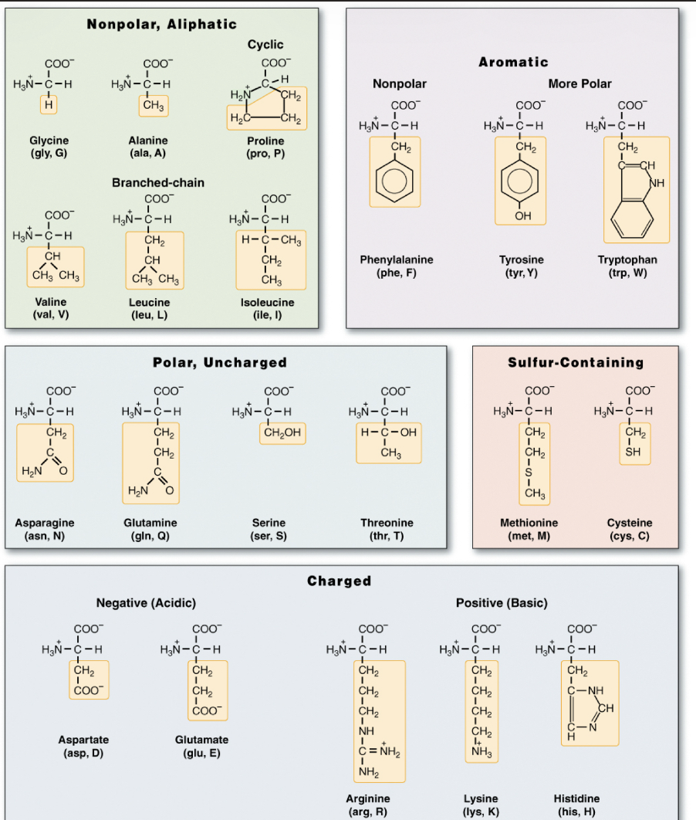
Amino Acid | Polarity / Charge | R-Group Description | Essential? | Key Products / Functions
Glycine | Nonpolar | Single H (smallest side chain) | Non-essential | Heme synthesis, inhibitory neurotransmitter in spinal cord
Alanine | Nonpolar | Methyl (-CH3) | Non-essential | Glucose-alanine cycle (transamination to pyruvate)
Valine | Nonpolar, branched | Branched isopropyl group | Essential | Branched-chain metabolism, ketogenic/glucogenic
Leucine | Nonpolar, branched | Branched isobutyl | Essential | Ketogenic only → acetoacetate & HMG-CoA, stimulates mTOR
Isoleucine | Nonpolar, branched | Sec-butyl (asymmetric C) | Essential | Glucogenic + ketogenic, energy metabolism
Proline | Nonpolar | Cyclic secondary amine (imino acid) | Non-essential | Collagen stability (hydroxylated by Vit C)
Methionine | Nonpolar, sulfur | Thioether (-S-CH3) | Essential | Start codon (AUG), methyl donor via SAM
Cysteine | Polar (weakly) | Sulfhydryl (-SH) group | Non-essential | Forms disulfide bonds in proteins, antioxidant (glutathione)
Serine | Polar uncharged | Hydroxymethyl (-CH2OH) | Non-essential | Precursor of glycine, sphingolipids, phosphatidylserine
Threonine | Polar uncharged | Hydroxyl and methyl on β-carbon | Essential | Can be phosphorylated (signal transduction)
Asparagine | Polar uncharged | Carboxamide (-CONH2) | Non-essential | Protein N-glycosylation (amide side chain)
Glutamine | Polar uncharged | Carboxamide, longer chain than Asn | Non-essential (conditionally essential in stress) | Major N carrier, nucleotide synthesis
Aspartate | Negatively charged | Carboxyl (-COO–) | Non-essential | Urea cycle, precursor for asparagine, oxaloacetate
Glutamate | Negatively charged | Extra carboxyl group | Non-essential | Excitatory neurotransmitter, precursor of GABA
Lysine | Positively charged | Long aliphatic chain with terminal amino | Essential | Histone acetylation, collagen crosslinking
Arginine | Positively charged | Guanidinium group | Semi-essential (essential in children) | Urea cycle, nitric oxide (NO) precursor
Histidine | Positively charged | Imidazole group (pKa ~6, buffer role) | Essential | Precursor of histamine, key in Hb O₂ binding (Bohr effect)

Lab Techniques
 | Tests | What Can it detect? | Specific Uses | Notes/Buzzwords
Hypothesis Driven | PCR | A change in the SIZE of DNA | Triplet Repeat Disorders | PCR Products can be separated by electrophoresis, Southern Blot or chromatography
 | ASO | SMALL mutations (15–20 base pairs!) | Cystic Fibrosis | Look for Specific Allele (eg Cystic Fibrosis due to different mutations)
 | Sanger | Old technique, rarely used anymore. Just know the word “Dideoxynucleotides” | — | —
 | RFLP | Mutations affecting restriction sites | Sickle Cell! | May be coupled with PCR, fragments sized with Blot or electrophoresis
 | Normal FISH | Deletions, Insertions, and Translocations >1Mb | Trisomies, Monosomies, and bigass translocations | Fluorescent probe must be smaller than area of interest

Interrogate Whole Genome | Rapid FISH | Entire chromosome missing/extra | Trisomies (Downs) or Monosomies (Turners) | Can be done on cells in interphase
 | Sky FISH | MAJOR translocations | Look at tumor DNA and see how messed up it is | “Paint” the entire genome
 | G-Banding | Deletions, Insertions, and Translocations >10Mb | Trisomies + Monosomies + other BIG mutations | Mutation must affect Banding Pattern
 | Array CGH | Anything that changes the total amount of nucleotides | Deletions and Duplications | “Copy Number Variants”
 | SNP Chip | Small changes in noncoding regions | 23 and Me | Heterozygosity + Haploinsufficiency
 | cDNA Microarray | Complementary DNA of expressed mRNAs | Disorders affecting transcription/RNA splicing, differentiate tissue types | Shows gene EXPRESSION!!!
 | SSR | Short, repetitive region of noncoding DNA | Paternity Testing | “Microsatellites”
 | Next Gen | Next Gen CAN be used to identify pretty much any mutation, but it’s expensive so it really isn’t. Just remember the phrase “Massively Parallel” | — | —
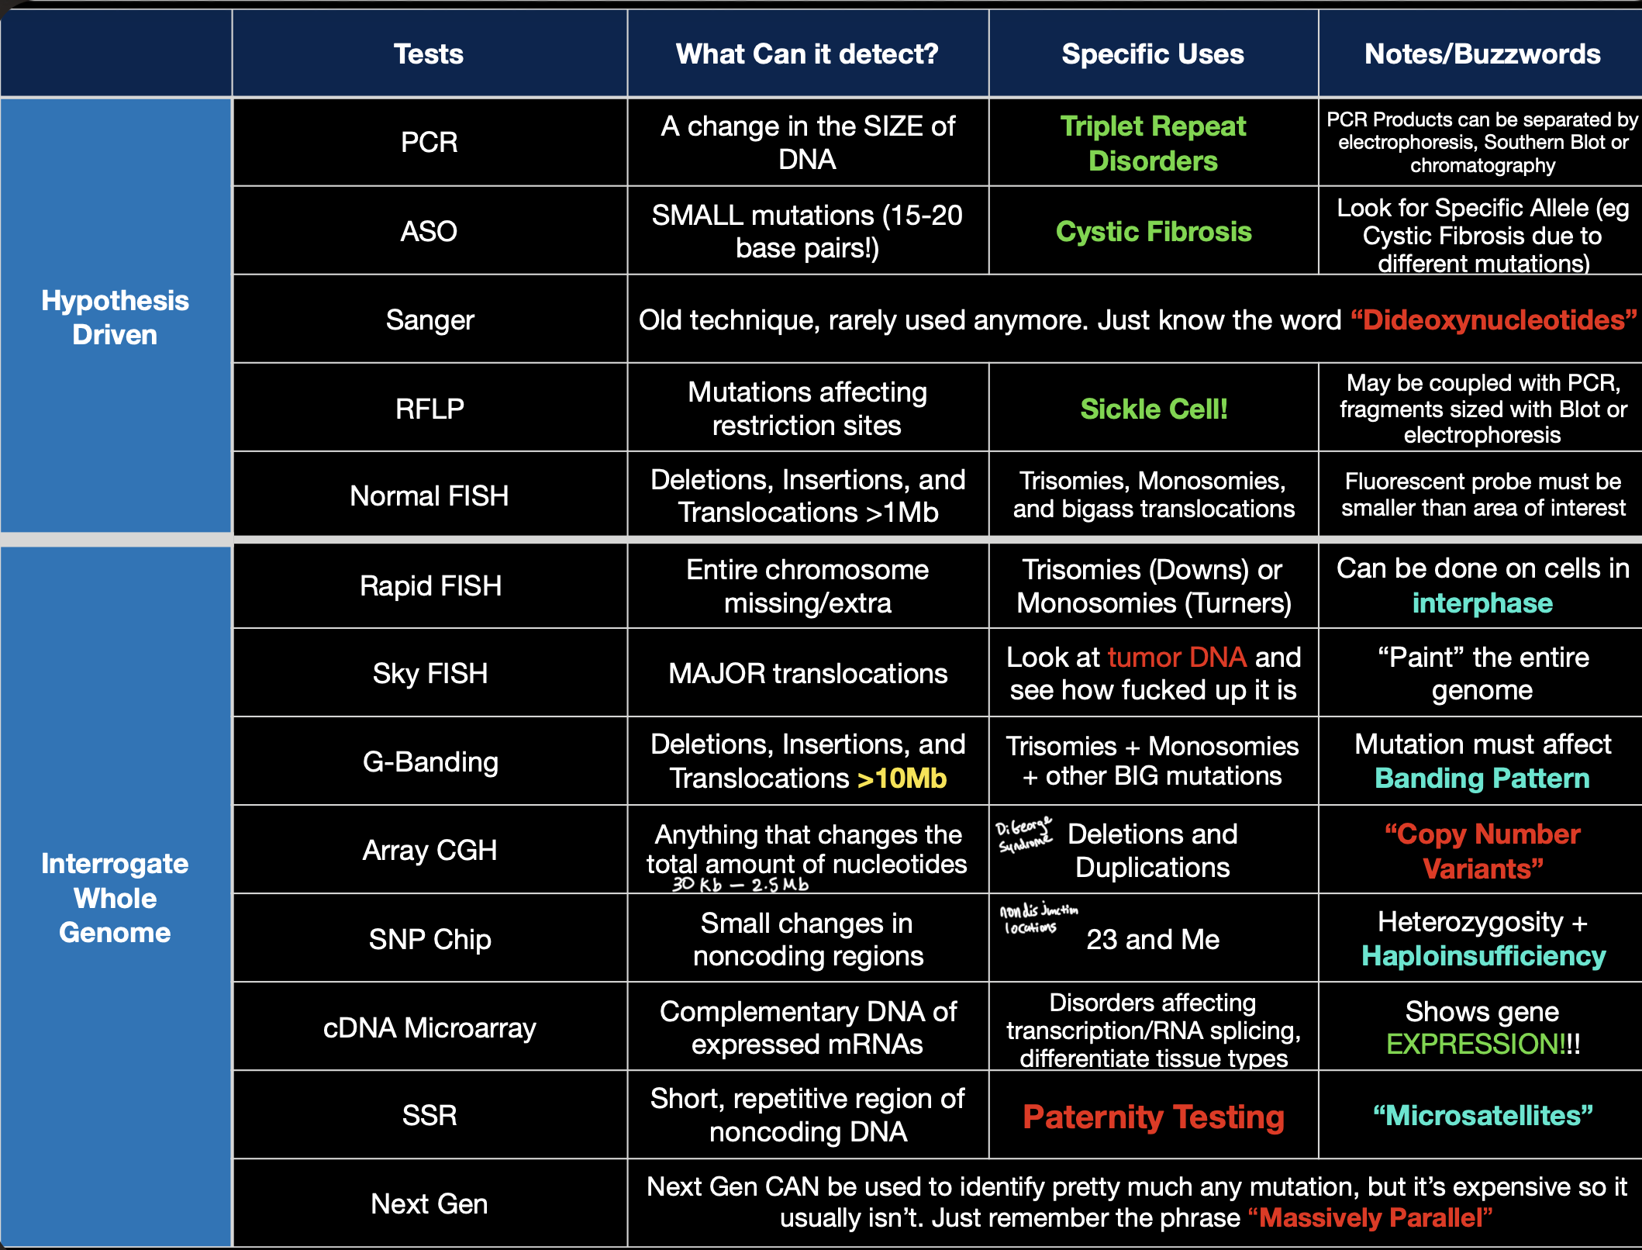

Test | Resolution / Specificity | What It Detects | Notes / Clinical Use
G-Banding (Karyotype) | Lowest (~10 Mb changes) | Large deletions, insertions, translocations | Detects major chromosomal abnormalities; banding pattern must be affected.
Normal FISH | Medium (~1 Mb) | Deletions, insertions, translocations | Fluorescent probe binds to specific region; used for trisomies/monosomies.
Rapid FISH | Medium (~1 Mb, faster) | Aneuploidies (e.g., Trisomy 21, Turner) | Done on interphase cells; quick results for common aneuploidies.
Sky FISH | Medium-High | Major translocations across the genome | “Paints” entire genome; tumor karyotyping.
Array CGH (Comparative Genomic Hybridization) | High (50–100 kb) | Copy number variants (deletions, duplications) | Genome-wide; cannot detect balanced translocations.
SNP Chip | High (single base changes in noncoding regions) | Small nucleotide changes, CNVs, LOH | Used in 23andMe; can show heterozygosity, haploinsufficiency.
SSR (Microsatellite Analysis) | High (short repeats) | Short tandem repeats (STRs) | Forensics, paternity testing.
cDNA Microarray | High (functional, not structural) | Gene expression (RNA → DNA hybridization) | Measures transcriptional activity across tissues.
PCR | Very High (1–100 bp changes) | Size differences in DNA | Detects triplet repeat expansions, insertions/deletions.
ASO (Allele-Specific Oligo) | Very High (single base resolution, 15–20 bp) | Known small mutations (SNPs, point mutations) | Cystic fibrosis allele screening.
RFLP | Very High (point mutation if it alters restriction site) | Restriction site mutations | Used in sickle cell detection.
Sanger Sequencing | Very High (single nucleotide resolution) | Small mutations, sequence confirmation | “Gold standard,” but low throughput; dideoxynucleotides.
Next Generation Sequencing (NGS) | Highest (massively parallel, single base) | Any mutation (point mutations, indels, CNVs) | Most comprehensive; expensive but broad use.

Stain Sheet Masterlist
Stain | Uses | Specifically Stains | Nucleus/Cytoplasm Color | Red Blood Cells/Collagen Fibers Color | Example
Periodic Acid-Schiff (PAS) Stain | Basement membrane, localizing carbohydrates | Glycogen and other carbohydrates (magenta) | Blue/- | -/Pink | 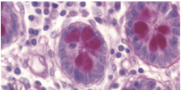
Wright's Stain | Blood cells | Neutrophil granules (purple/pink), eosinophil granules (bright red/orange), basophil granules (deep purple/violet), platelet granules (red/purple) | Blue-Purple/Blue-Gray | Red-Pink/- | 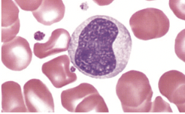
Gomori's Trichrome Stain | Connective and muscle tissue | Muscle fibers (red) | Gray-Blue/Red | Red/Green | 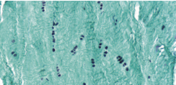
Masson's Trichrome Stain | Connective tissue | Cartilage (blue/green), muscle fibers (red) | Black/Red-Pink | Red/Blue-Green | 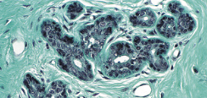
Mallory's Trichrome Stain | Connective tissue | Keratin (orange), cartilage (blue), bone matrix (deep blue), muscle fibers (red) | Red/Pale Red | Orange/Deep Blue | 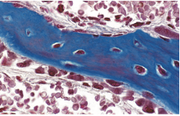
Heidenhains' Azan Trichrome Stain (azocarmine + aniline blue) | Distinguishing cells from extracellular matrix | Muscle fibers (red), cartilage and bone matrix (deep blue) | Red-Purple/Pink | Red/Blue | 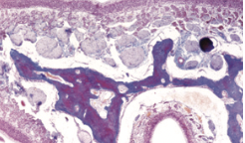
Weigert's Resorcin Elastic Stain | Elastic fibers | Elastic fibers (blue/black) | Blue-Black/- | -/- | 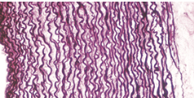
Orecin Stain | Elastic fibers | Elastic fibers (dark brown), mast cell granules (purple), smooth muscle (light blue) | Deep Blue/- | Bright Red/Pink | 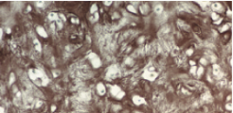
Verhoeff van Gieson Stain | Elastic fibers | Elastic fibers | Black/Yellow | Brown-Yellow/Red | 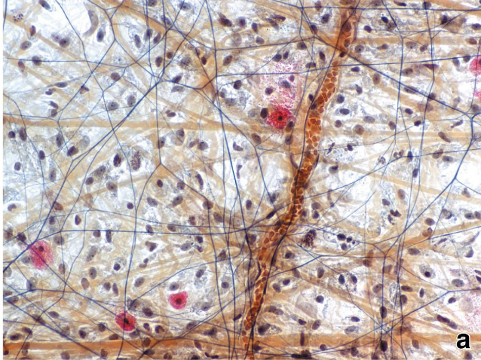
Toluidine Blue (metachromatic stain) | General staining | Mast cell granules, glycogen (purple), myelin (nerves) | Blue/Blue | Blue/Blue | 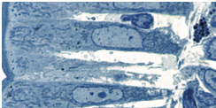
Hematoxylin | General staining with eosin | Nucleic acids, rough endoplasmic reticulum (blue) | Blue/- | -/- | 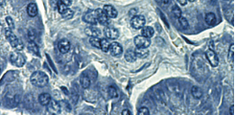
Eosin | General staining with hematoxylin | Elastic fibers, reticular fibers (pink) | -/Pink | Orange-Red/Pink | 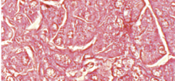
Oil Red O | Lipids | Lipids | Blue-Black/Red | -/- | 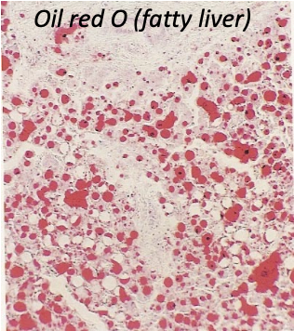
Sudan Black B Stain | Lipids | Phospholipids, sterols, neutral triglycerides, chromosomes, Golgi Apparatus, leukocyte granules | Purple/Black | -/- | 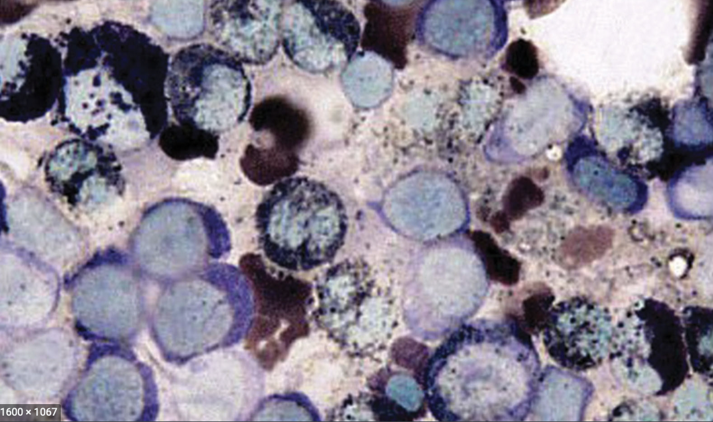
Osmium Tetroxide | Lipids, secondary fixative for electron microscopy | Lipids | Black/Black | -/Golden Yellow-White | 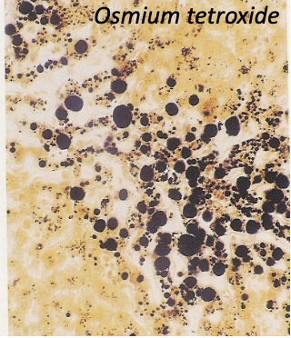
Silver Stain | Reticular fibers, nerve fibers | Reticular fibers, nerve fibers (brown/black) | -/- | -/- | 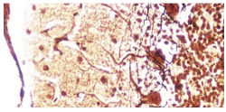
Immunohistochemistry | Stained with antibodies that recognize target antigens | Target antigens | Depends on counterstaining method | Depends on counterstaining method | 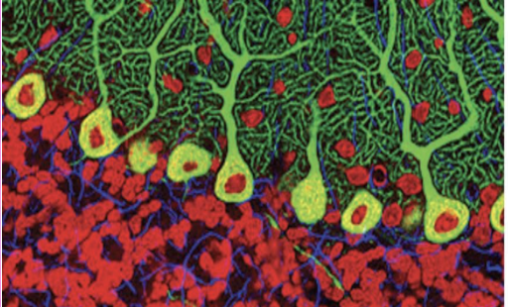
Gram stain | Gram+ = purple; Gram– = pink/red | Bacteria classification
India Ink | Negative stain (background black, capsule clear “halo”) | Cryptococcus neoformans
Immunohistochemistry (IHC) | Brown (DAB) or fluorescent | Specific proteins (antigen–antibody) | Cancer markers, diagnostics

 |  |  |  |  | ß

